wiki app
*Note | 1. not available to try login function since IP already blocked from registering
Bug Id | Bug Title | Priority | Severity | Environment | Description | Step to Reproduce | Expected Result | Actual Result | Additional Notes | Screenshot
1 | Upon clicking details on articles, An error occured | High | High | WikipediaSample.apk Redmi 8A Pro MIUI Global 12.5.4 Android 10 | clicking some articles for details shown "an error occured" instead | 1. Open Wikipedia Alpha app 2. click something in the news i.e. "Donald Trump wins the United States presidential election" 3. click the details of the news i.e. "2024 United States presidential election" | Page contain 2024 United States presidential election should appeared | it shows page with message "an error occured" | Explore | 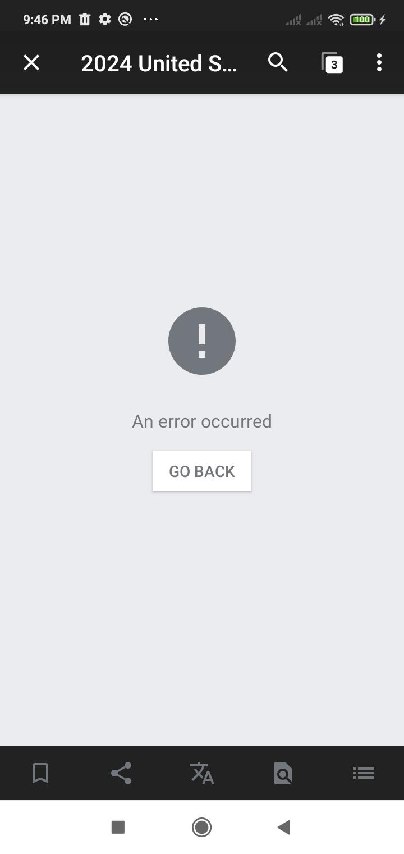
2 | Infinite scrolling not working properly | High | Medium | WikipediaSample.apk Redmi 8A Pro MIUI Global 12.5.4 Android 10 | when scrolling until bottom, the older articles will be populated. However it will stuck until certain dates, and the application need to be refreshed until the older dates are able to be populated | 1. Open Wikipedia Alpha apps 2. scroll until bottom 3. for example the bottom articles was dated 27 Nov 2024 4. scroll back to the most top and drag it to refresh 5. scroll until bottom again 6. the bottom article was repopulated to older dates i.e. 25 Nov 2024 7. if user want to see older than 25 Nov, user need to go to top again, refresh again, and scroll to bottom again, and so on and so on | scroll to bottom should keep populating older dates article | stuck at some certain dates and need to be refreshed to repopulate older dates article | Explore | N/A
3 | Nearby function not working | Medium | Low | WikipediaSample.apk Redmi 8A Pro MIUI Global 12.5.4 Android 10 | nearby function not working and shown some raw error without proper handling | 1. Open Wikipedia Alpha apps 2. click nearby on the bottom right 3. click the current location icon | nearby functionality should works | it shows raw error messages | Nearby | 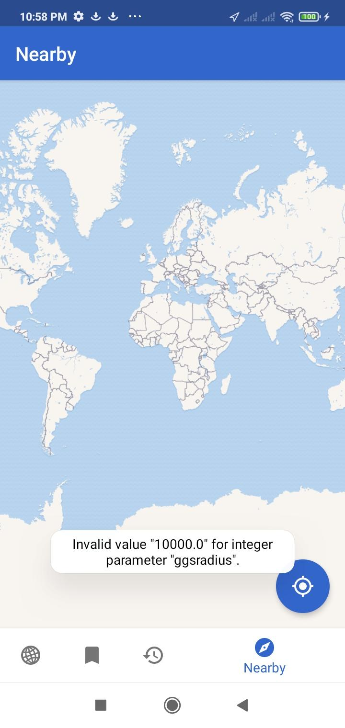
4 | New tab not working | High | High | WikipediaSample.apk Redmi 8A Pro MIUI Global 12.5.4 Android 10 | clicking + on tab functionality shows "An error occured" pages | 1. Open Wikipedia Alpha apps 2. click on tab functionality top right 3. click + to add new tabs | it should open new tab pages | it shows page with message "an error occured" | Tabs | 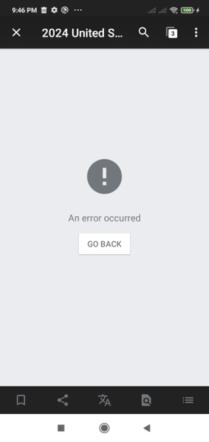
5 | On registration, password policy enforced in captcha pages | High | High | WikipediaSample.apk Redmi 8A Pro MIUI Global 12.5.4 Android 10 | On registration, weak password could be inputted and move to captcha pages. But upon submitting captcha, then the weak password validation appeared, which makes the user experience weird | 1. Open Wikipedia Alpha apps 2. click on triple dot in top right 3. click log in to Wikipedia 4. click "Don't have an accoint? Join Wikipedia" 5. enter any username 6. enter password and repeat password "123456" 7. next 8. enter captcha | validation of password should appeared when clicking next, not when enter captcha | validation of password appeared after filling captcha | Registration | N/A (haven't got the SS, and IP is already locked from registering)
6 | On registration, filling correct captcha didn't work | High | High | WikipediaSample.apk Redmi 8A Pro MIUI Global 12.5.4 Android 10 | On registration, filling correct captcha still regarded as wrong, therefore the registration failed | 1. Open Wikipedia Alpha apps 2. click on triple dot in top right 3. click log in to Wikipedia 4. click "Don't have an accoint? Join Wikipedia" 5. enter any username 6. enter strong password i.e. W1k1P3Di@ 7. next 8. enter correct captcha | registration successful | captcha regarded as wrong | Registration | N/A (haven't got the SS, and IP is already locked from registering)

